Sheet1
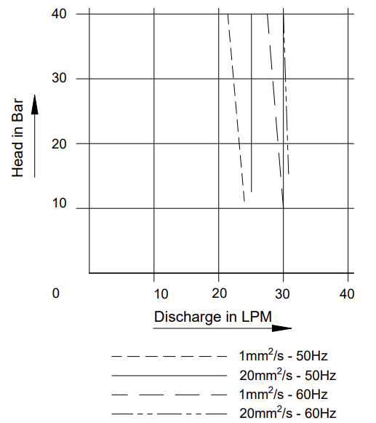
Model: | BFS232 - 1.7kW |  |  | Speciality (if Any):
 |  |  |  | Special Code:
 |  |  |  | Description of Speciality
 |  |  |  | Suction and delivery port will be opposite each other, Suction port and motor terminal box position will be at one side. Refer diagram.

Technical Data
Power (kW) |  | 1.7 | Rated Current (A) |  | 3.5
Voltage (V) |  | 400 / 230 | Efficiency Level |  | IE3
Frequency (Hz) |  | 50 | Insulation Class |  | F
RPM |  | 2880 | Duty |  | S1

Material Of Construction
Impeller |  | Screw Spindle | Mechanical seal |  | NA
Impeller cover |  | Carbide Cover | Bush Bearings |  | CARBIDE
Wet End (pump body) |  | C.I. | Shaft |  | Screw Spindle

Operating conditions
Max Ambient Temp. |  | 40℃ | Installation |  |  | VERTICAL
Max. Liquid Temp |  | 50℃ | Min. Filtration level |  |  | ≤ 20 microns
Max On/Off Cycle |  | _ | Max. Viscocity (for given motor rating) (For higher viscosity contact factory) |  |  | 15 CST
(Please Check with factory for more information on this)
Dimensional Details
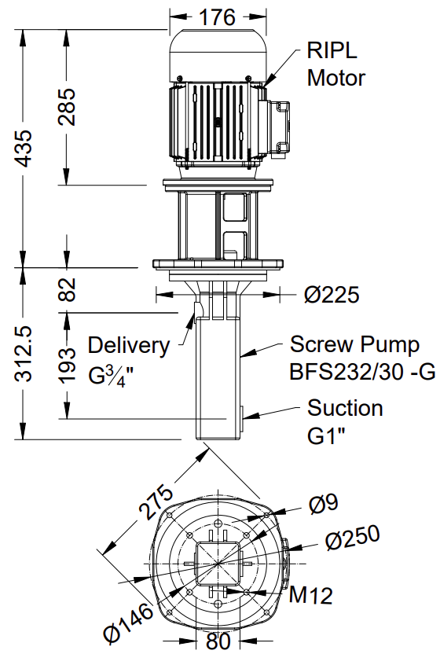

HQ Performance Curve

